Treyarch- COD Black Ops 4
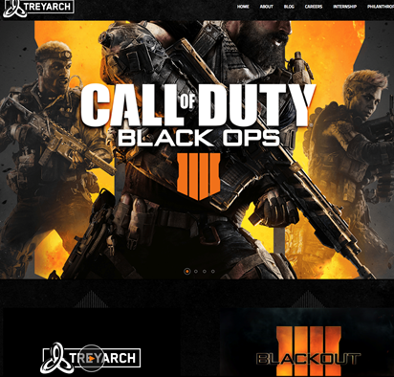
 | Hello my name is Dimitri, and this is my analytical breakdown of Treyarch's social media campaign Black Ops 4 by using social media tools to determine their success.

In order to grasp the effectiveness of Treyarch's Black Ops 4 social media campaign it's important to see how their numbers add up to the competition. In order to do this you'll find two analytics tools attached to this document that were used to obtain the information you'll be presented with. The first tool is Twitonomy which gives a basic look at the figures that a Twitter account has but we'll be focusing on followers and likes.

The second of which is SocialBlade which features the ability to track monetary gains, follower gains, tweets, and more. But for this we'll be focusing on followers and likes so we can compare the data.

Twitter Data
Treyarch Studios Social Media Overview By: Dimitri Myers |  |  |  |  | Data supplied by Twitonomy & SocialBlade

Months (2018)
 | May | June | July | August | September | October | Totals
Tweets | 1 | 51 | 36 | 24 | 172 | 122 | 406
Followers gained | -3,260 | -5 | 10,160 | -80,720 | 93,860 | 56,540 | 76,575
The game was revealed in May, and released in October. Notice the volume increase within their fandom between the two dates.

Twitter Images
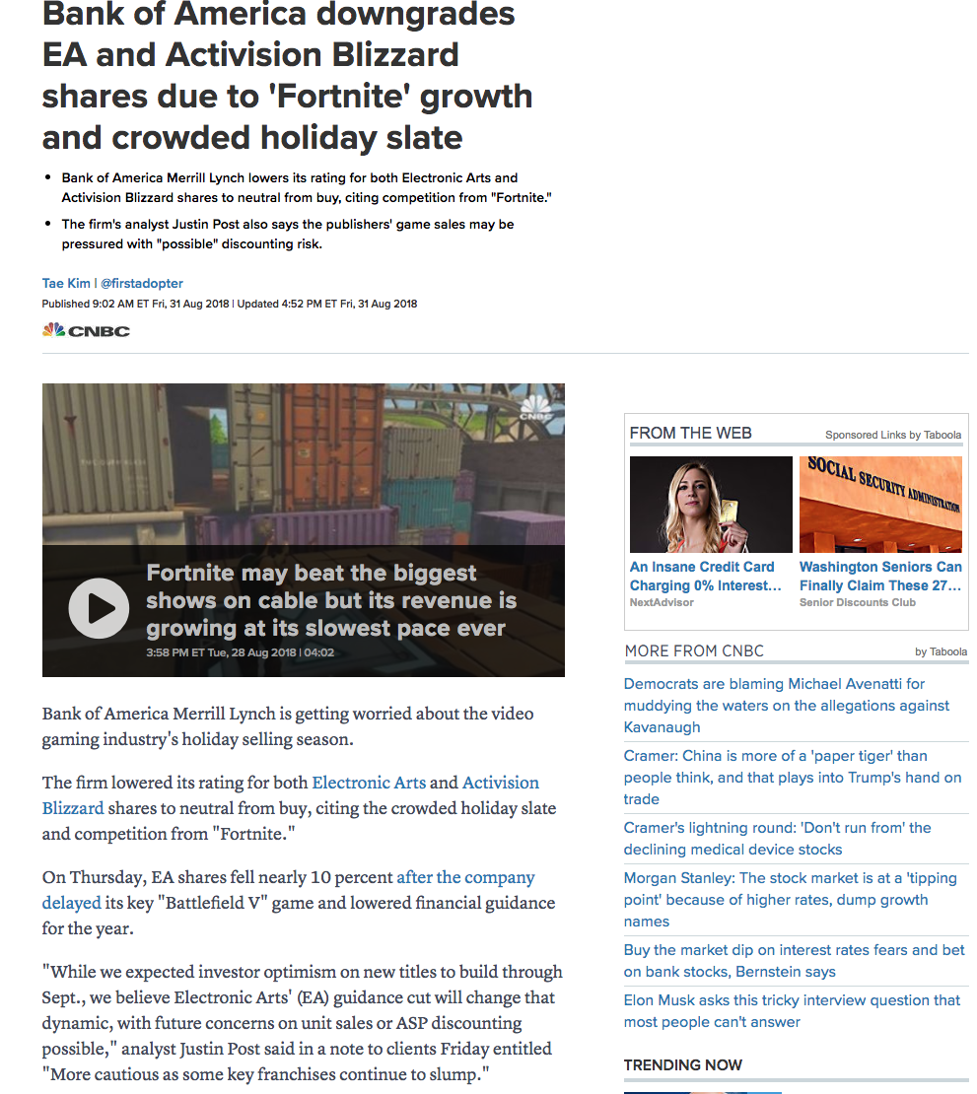
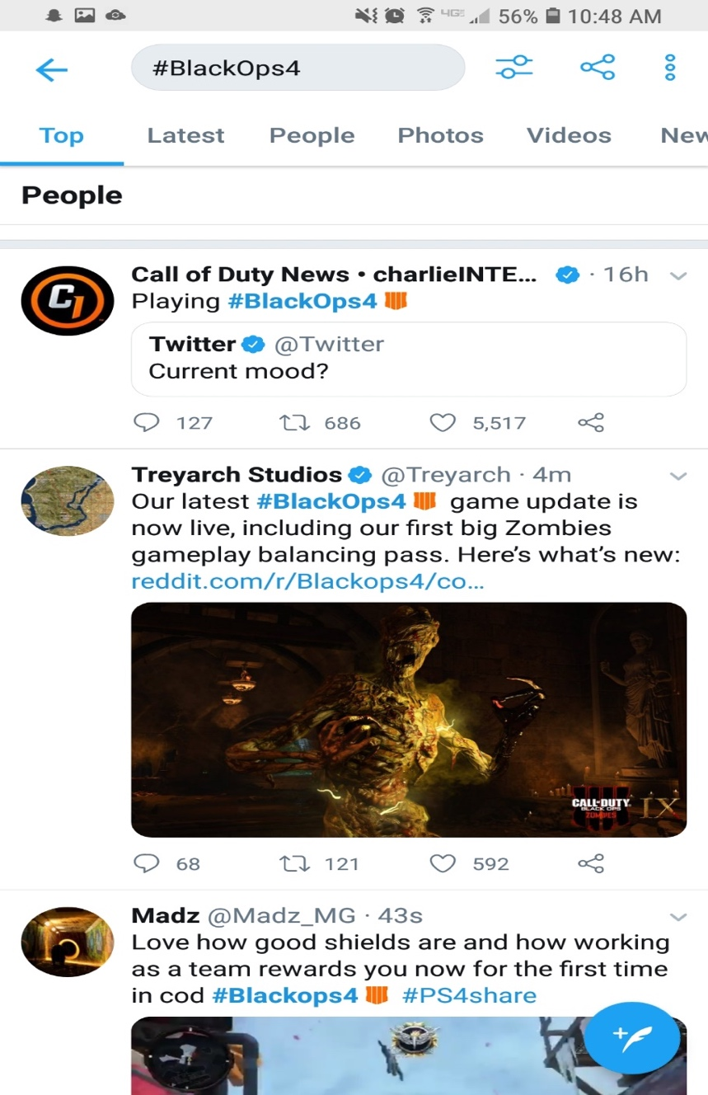
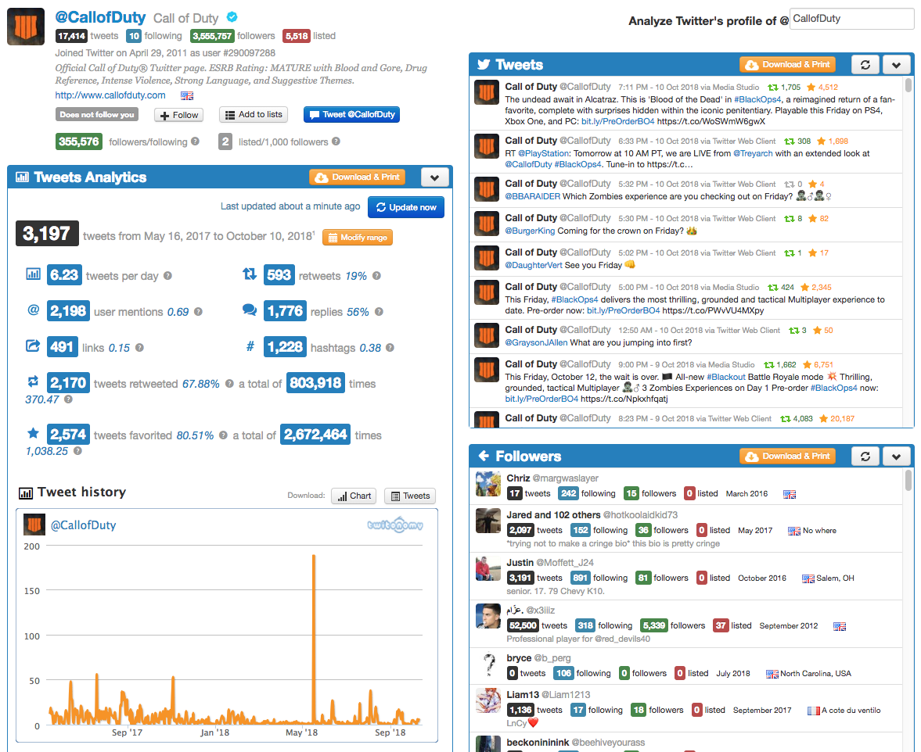
Images Used For Data Segment (Twitter)

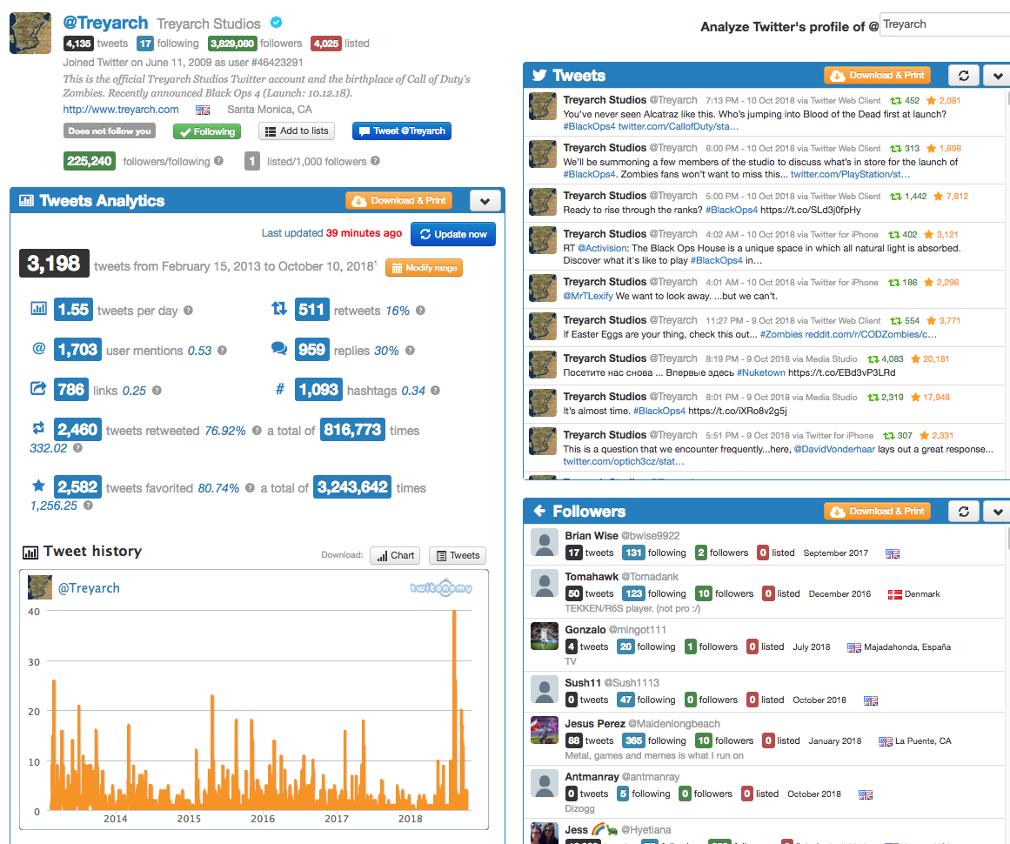

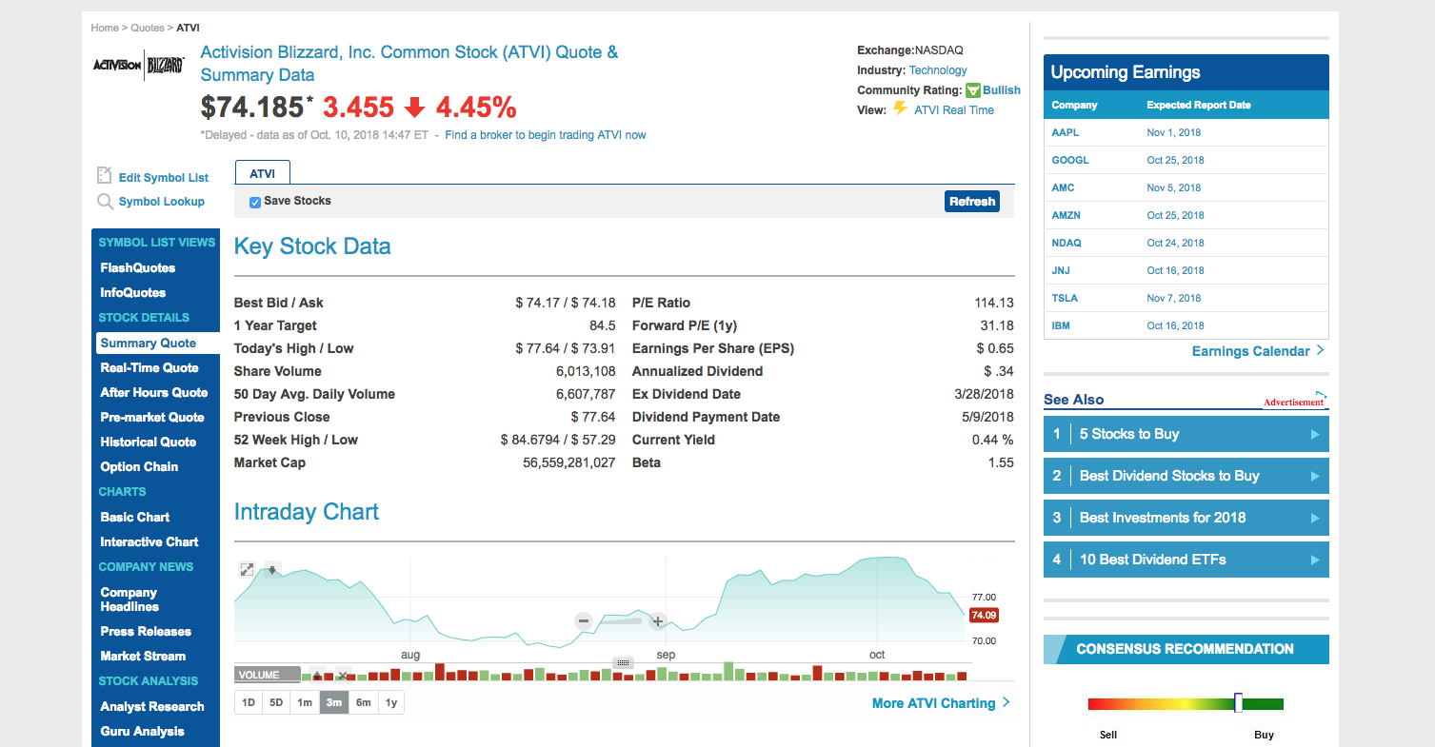
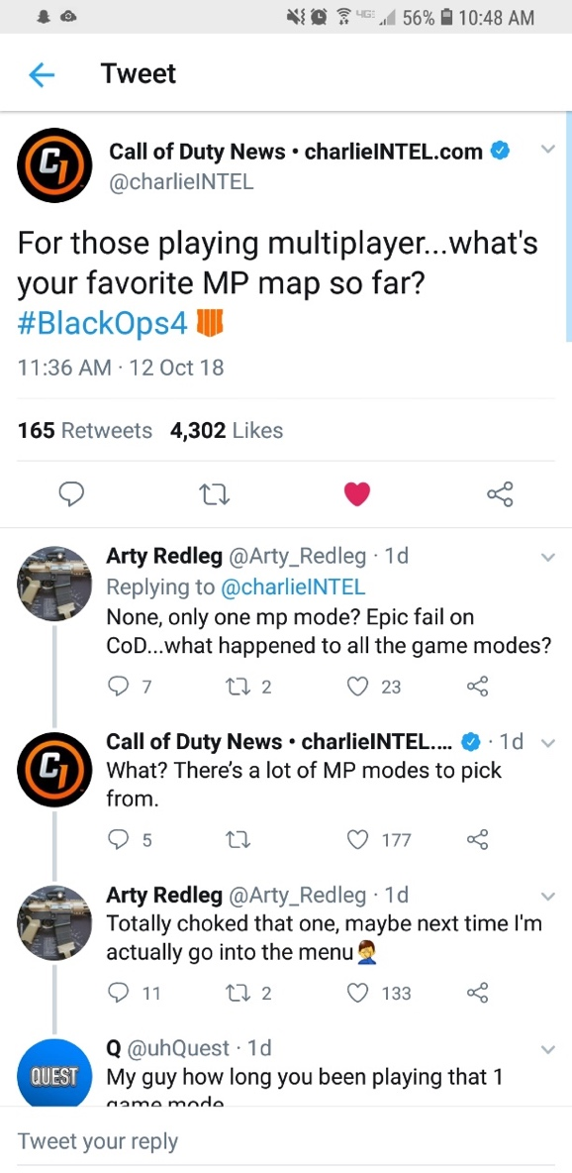
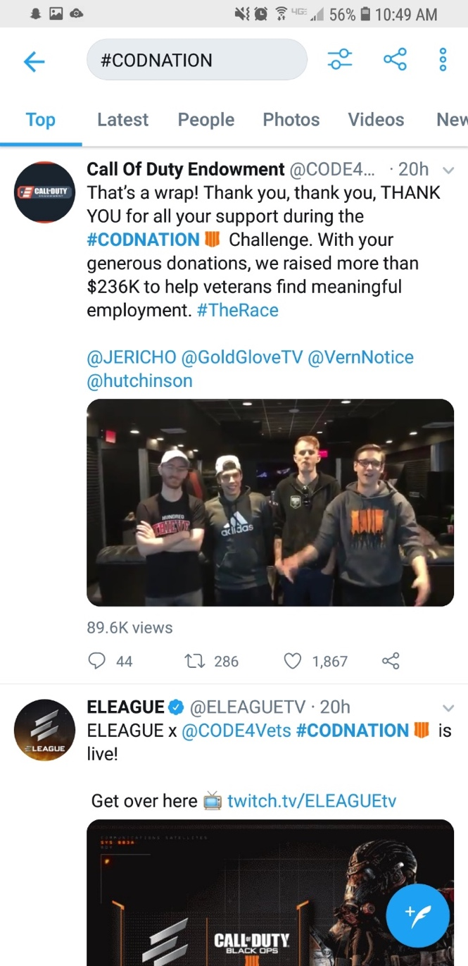
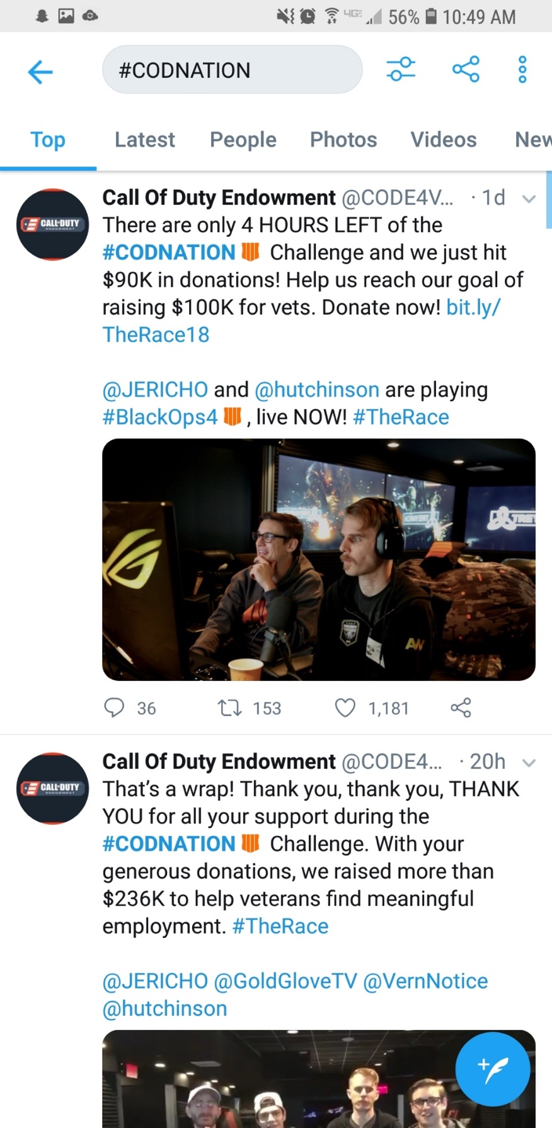

YouTube Data
Treyarch Studios YouTube |  |  |  |  | Data supplied by Twitonomy & SocialBlade

Months (2018)
 | May | June | July | August | September | October | Totals
Views | 16,000 | 56,000 | 23,000 | 32,000 | 10,000 | 93,000 | 230,000
Subscribers gained | 400 | 9,080 | 2,080 | 1,020 | 1,030 | 900 | 14,510
The game was revealed in May, and released in October. Notice the volume increase within their fandom between the two dates.

YouTube Images
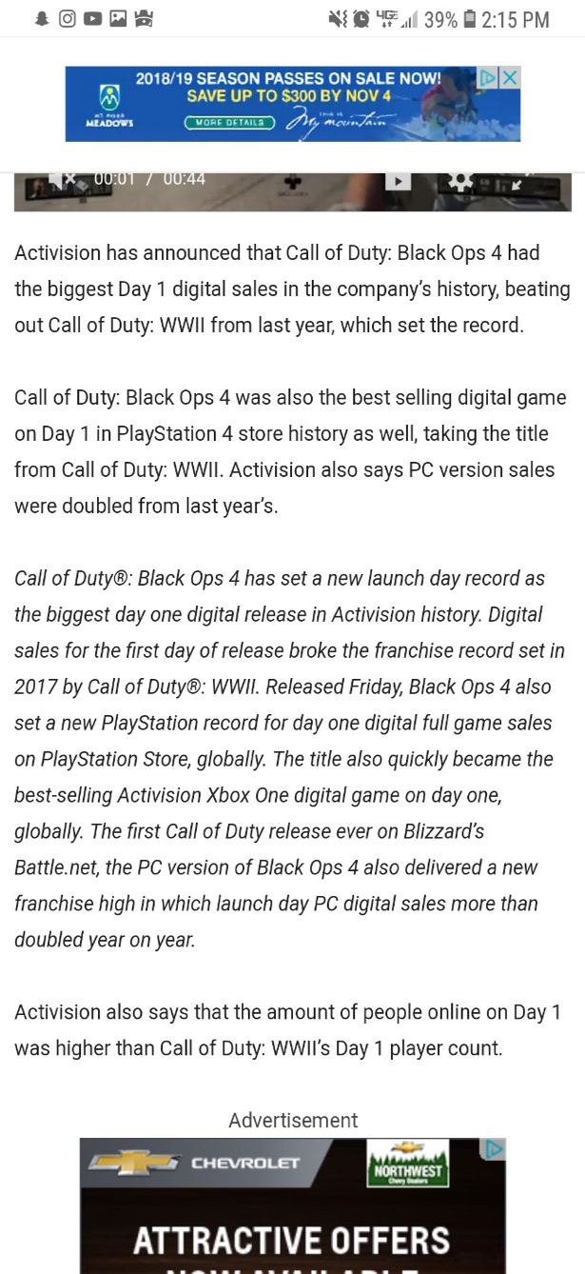
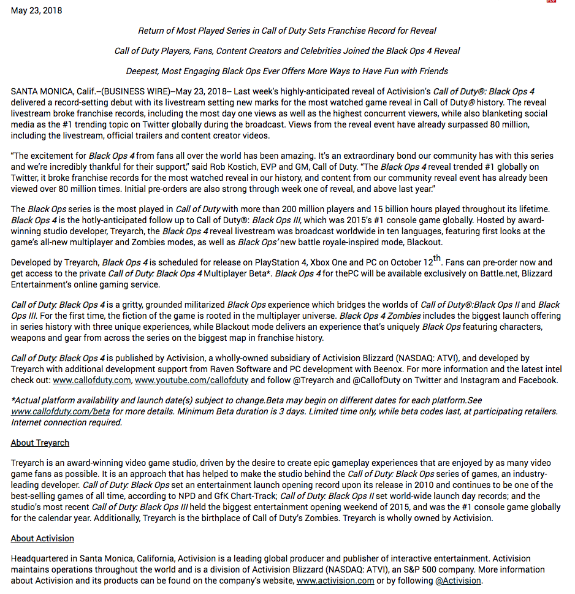
Images Used For Data Segment (YouTube)

